Sheet1
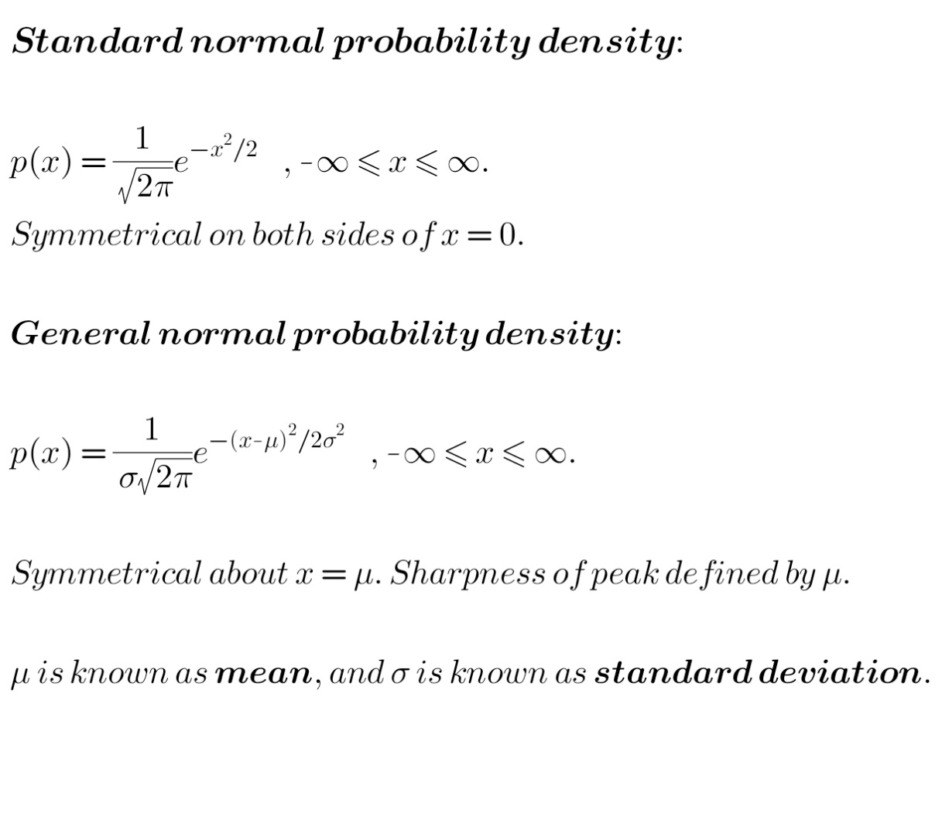
STANDARD NORMAL DISTRIBUTION |  |  |  | plotted in the interval [-5.00, 5.00]
Index | x | p(x) | F(x)
1 | -5.00 | 1.4867201426E-06 | 7.4336007131E-08
2 | -4.95 | 1.9066017083E-06 | 1.6966609255E-07
3 | -4.90 | 2.4389617759E-06 | 2.9161418135E-07
4 | -4.85 | 3.1121768935E-06 | 4.4722302602E-07
5 | -4.80 | 3.961300764E-06 | 6.4528806422E-07
6 | -4.75 | 5.0295094127E-06 | 8.9676353486E-07
7 | -4.70 | 6.369827869E-06 | 1.2152549283E-06
8 | -4.65 | 8.0471858551E-06 | 1.6176142211E-06
9 | -4.60 | 1.0140856348E-05 | 2.1246570385E-06
10 | -4.55 | 1.2747337765E-05 | 2.7620239268E-06
11 | -4.50 | 1.5983747857E-05 | 3.5612113196E-06
12 | -4.45 | 1.999180515E-05 | 4.5608015771E-06
13 | -4.40 | 2.4942481824E-05 | 5.8079256683E-06
14 | -4.35 | 3.1041420168E-05 | 7.3599966767E-06
15 | -4.30 | 3.8535213017E-05 | 9.2867573275E-06
16 | -4.25 | 4.7718656694E-05 | 1.1672690162E-05
17 | -4.20 | 5.894309265E-05 | 1.4619844795E-05
18 | -4.15 | 7.2625960975E-05 | 1.8251142843E-05
19 | -4.10 | 8.9261694875E-05 | 2.2714227587E-05
Standard Normal, probability density and cdf
-5.00 | 1.4867201426E-06 | 7.4336007131E-08
-4.95 | 1.9066017083E-06 | 1.6966609255E-07
-4.90 | 2.4389617759E-06 | 2.9161418135E-07
-4.85 | 3.1121768935E-06 | 4.4722302602E-07
-4.80 | 3.961300764E-06 | 6.4528806422E-07
-4.75 | 5.0295094127E-06 | 8.9676353486E-07
-4.70 | 6.369827869E-06 | 1.2152549283E-06
-4.65 | 8.0471858551E-06 | 1.6176142211E-06
-4.60 | 1.0140856348E-05 | 2.1246570385E-06
-4.55 | 1.2747337765E-05 | 2.7620239268E-06
-4.50 | 1.5983747857E-05 | 3.5612113196E-06
-4.45 | 1.999180515E-05 | 4.5608015771E-06
-4.40 | 2.4942481824E-05 | 5.8079256683E-06
-4.35 | 3.1041420168E-05 | 7.3599966767E-06
-4.30 | 3.8535213017E-05 | 9.2867573275E-06
-4.25 | 4.7718656694E-05 | 1.1672690162E-05
-4.20 | 5.894309265E-05 | 1.4619844795E-05
-4.15 | 7.2625960975E-05 | 1.8251142843E-05
-4.10 | 8.9261694875E-05 | 2.2714227587E-05
-4.05 | 0.00010943408966 | 2.818593207E-05
-4.00 | 0.00013383028229 | 3.4877446184E-05
-3.95 | 0.00016325647771 | 4.304027007E-05
-3.90 | 0.00019865555529 | 5.2973047835E-05
-3.85 | 0.00024112668206 | 6.5029381938E-05
-3.80 | 0.00029194704909 | 7.9626734392E-05
-3.75 | 0.00035259583128 | 9.7256525956E-05
-3.70 | 0.00042478044995 | 0.00011849554845
-3.65 | 0.00051046518993 | 0.00014401880795
-3.60 | 0.00061190218854 | 0.00017461391738
-3.55 | 0.00073166477184 | 0.00021119715597
-3.50 | 0.00087268306361 | 0.00025483130915
-3.45 | 0.0010382817342 | 0.00030674539586
-3.40 | 0.0012322196889 | 0.0003683563803
-3.35 | 0.0014587314207 | 0.00044129295134
-3.30 | 0.0017225696666 | 0.00052742143467
-3.25 | 0.0020290489142 | 0.00062887388038
-3.20 | 0.0023840892083 | 0.00074807834079
-3.15 | 0.002794259595 | 0.00088779132054
-3.10 | 0.0032668204359 | 0.0010511323423
-3.05 | 0.0038097637072 | 0.0012416205277
-3.00 | 0.0044318502837 | 0.0014632130419
-2.95 | 0.005142643095 | 0.0017203451966
-2.90 | 0.0059525349337 | 0.0020179719433
-2.85 | 0.0068727695932 | 0.002361610423
-2.80 | 0.0079154549259 | 0.0027573831693
-2.75 | 0.0090935663421 | 0.0032120614864
-2.70 | 0.010420939216 | 0.0037331084472
-2.65 | 0.011912248639 | 0.0043287208791
-2.60 | 0.01358297497 | 0.0050078696276
-2.55 | 0.015449353659 | 0.0057803373105
...
20 | -4.05 | 0.00010943408966 | 2.818593207E-05
21 | -4.00 | 0.00013383028229 | 3.4877446184E-05
22 | -3.95 | 0.00016325647771 | 4.304027007E-05
23 | -3.90 | 0.00019865555529 | 5.2973047835E-05
24 | -3.85 | 0.00024112668206 | 6.5029381938E-05
25 | -3.80 | 0.00029194704909 | 7.9626734392E-05
26 | -3.75 | 0.00035259583128 | 9.7256525956E-05
27 | -3.70 | 0.00042478044995 | 0.00011849554845
28 | -3.65 | 0.00051046518993 | 0.00014401880795
29 | -3.60 | 0.00061190218854 | 0.00017461391738
30 | -3.55 | 0.00073166477184 | 0.00021119715597
31 | -3.50 | 0.00087268306361 | 0.00025483130915
32 | -3.45 | 0.0010382817342 | 0.00030674539586
X = 0 X = 1
33 | -3.40 | 0.0012322196889 | 0.0003683563803
34 | -3.35 | 0.0014587314207 | 0.00044129295134
35 | -3.30 | 0.0017225696666 | 0.00052742143467
36 | -3.25 | 0.0020290489142 | 0.00062887388038 |  | Area under pdf from (X = 0) to (X = 1) is given by
37 | -3.20 | 0.0023840892083 | 0.00074807834079 |  |  | Area under pdf from minus infinity to X = 1
38 | -3.15 | 0.002794259595 | 0.00088779132054 |  |  | MINUS
39 | -3.10 | 0.0032668204359 | 0.0010511323423 |  |  | Area under pdf from minus infinity to X = 0
40 | -3.05 | 0.0038097637072 | 0.0012416205277
41 | -3.00 | 0.0044318502837 | 0.0014632130419 |  | = F(1) MINUS F(0)
42 | -2.95 | 0.005142643095 | 0.0017203451966
43 | -2.90 | 0.0059525349337 | 0.0020179719433 |  | Also, the pdf is symmetrical about X = 0.
44 | -2.85 | 0.0068727695932 | 0.002361610423
45 | -2.80 | 0.0079154549259 | 0.0027573831693 |  | NOTE: Values of N(0,1) have been tabulated for convenience.
46 | -2.75 | 0.0090935663421 | 0.0032120614864
47 | -2.70 | 0.010420939216 | 0.0037331084472
48 | -2.65 | 0.011912248639 | 0.0043287208791
49 | -2.60 | 0.01358297497 | 0.0050078696276
50 | -2.55 | 0.015449353659 | 0.0057803373105
51 | -2.50 | 0.017528307896 | 0.0066567527054
52 | -2.45 | 0.01983736277 | 0.0076486208439
53 | -2.40 | 0.022394539753 | 0.0087683478315
54 | -2.35 | 0.025218230566 | 0.01002925936
55 | -2.30 | 0.028327049705 | 0.011445611845
56 | -2.25 | 0.03173966524 | 0.013032595107
57 | -2.20 | 0.035474607828 | 0.014806325498
58 | -2.15 | 0.039550058293 | 0.016783828413
59 | -2.10 | 0.043983614556 | 0.018983009141
60 | -2.05 | 0.048792039186 | 0.0214226111
61 | -2.00 | 0.053990989315 | 0.024122160566
62 | -1.95 | 0.059594731238 | 0.027101897128
63 | -1.90 | 0.065615842486 | 0.030382689252
64 | -1.85 | 0.072064904772 | 0.033985934491
65 | -1.80 | 0.078950191644 | 0.037933444073
66 | -1.75 | 0.086277355264 | 0.042247311836
67 | -1.70 | 0.094049117097 | 0.046949767691
68 | -1.65 | 0.10226496775 | 0.052063016079
69 | -1.60 | 0.11092088152 | 0.057609060155
70 | -1.55 | 0.12000905138 | 0.063609512724
71 | -1.50 | 0.12951765037 | 0.070085395242
72 | -1.45 | 0.13943062533 | 0.077056926509
73 | -1.40 | 0.14972752887 | 0.084543302952
74 | -1.35 | 0.16038339508 | 0.092562472706
75 | -1.30 | 0.17136866442 | 0.10113090593
76 | -1.25 | 0.18264916253 | 0.11026336405
77 | -1.20 | 0.19418613699 | 0.1199726709
78 | -1.15 | 0.20593635569 | 0.13026948869
79 | -1.10 | 0.21785226904 | 0.14116210214
80 | -1.05 | 0.22988223777 | 0.15265621403
81 | -1.00 | 0.24197082671 | 0.16475475536
82 | -0.95 | 0.25405916377 | 0.17745771355
83 | -0.90 | 0.26608536228 | 0.19076198167
84 | -0.85 | 0.27798500353 | 0.20466123184
85 | -0.80 | 0.28969167511 | 0.2191458156
86 | -0.75 | 0.30113755933 | 0.23420269356
87 | -0.70 | 0.31225406524 | 0.24981539683
88 | -0.65 | 0.32297249607 | 0.26596402163
89 | -0.60 | 0.33322474362 | 0.28262525881
90 | -0.55 | 0.34294399986 | 0.2997724588
91 | -0.50 | 0.35206547545 | 0.31737573258
92 | -0.45 | 0.36052711472 | 0.33540208831
93 | -0.40 | 0.36827029584 | 0.35381560311
94 | -0.35 | 0.37524050539 | 0.37257762837
95 | -0.30 | 0.38138797653 | 0.3916470272
96 | -0.25 | 0.38666828011 | 0.41098044121
97 | -0.20 | 0.39104285913 | 0.43053258416
98 | -0.15 | 0.39447949751 | 0.45025655904
99 | -0.10 | 0.39695271512 | 0.47010419479
100 | -0.05 | 0.39844408237 | 0.49002639891 |  |  |  | From EXCEL
101 | 0.00 | 0.39894244889 | 0.50997352136 | <-- F(0) should be 0.5! --> |  |  | 0.3989422804 | 0.5
102 | 0.05 | 0.39844408237 | 0.52989572548
103 | 0.10 | 0.39695271512 | 0.54974336123
104 | 0.15 | 0.39447949751 | 0.56946733611
105 | 0.20 | 0.39104285913 | 0.58901947906
106 | 0.25 | 0.38666828011 | 0.60835289307
107 | 0.30 | 0.38138797653 | 0.6274222919
108 | 0.35 | 0.37524050539 | 0.64618431717
109 | 0.40 | 0.36827029584 | 0.66459783196
110 | 0.45 | 0.36052711472 | 0.68262418769
111 | 0.50 | 0.35206547545 | 0.70022746147
112 | 0.55 | 0.34294399986 | 0.71737466146
113 | 0.60 | 0.33322474362 | 0.73403589864
114 | 0.65 | 0.32297249607 | 0.75018452344
115 | 0.70 | 0.31225406524 | 0.76579722671
116 | 0.75 | 0.30113755933 | 0.78085410467
117 | 0.80 | 0.28969167511 | 0.79533868843
118 | 0.85 | 0.27798500353 | 0.8092379386
119 | 0.90 | 0.26608536228 | 0.82254220672
120 | 0.95 | 0.25405916377 | 0.83524516491
121 | 1.00 | 0.24197082671 | 0.84734370624 | =F(1)
122 | 1.05 | 0.22988223777 | 0.85883781813
123 | 1.10 | 0.21785226904 | 0.86973043158
124 | 1.15 | 0.20593635569 | 0.88002724937
125 | 1.20 | 0.19418613699 | 0.88973655622
126 | 1.25 | 0.18264916253 | 0.89886901434
127 | 1.30 | 0.17136866442 | 0.90743744756
128 | 1.35 | 0.16038339508 | 0.91545661732
129 | 1.40 | 0.14972752887 | 0.92294299376
130 | 1.45 | 0.13943062533 | 0.92991452503
131 | 1.50 | 0.12951765037 | 0.93639040755
132 | 1.55 | 0.12000905138 | 0.94239086012
133 | 1.60 | 0.11092088152 | 0.94793690419
134 | 1.65 | 0.10226496775 | 0.95305015258
135 | 1.70 | 0.094049117097 | 0.95775260843
136 | 1.75 | 0.086277355264 | 0.9620664762
137 | 1.80 | 0.078950191644 | 0.96601398578
138 | 1.85 | 0.072064904772 | 0.96961723102
139 | 1.90 | 0.065615842486 | 0.97289802314
140 | 1.95 | 0.059594731238 | 0.9758777597
141 | 2.00 | 0.053990989315 | 0.97857730917
142 | 2.05 | 0.048792039186 | 0.98101691113
143 | 2.10 | 0.043983614556 | 0.98321609186
144 | 2.15 | 0.039550058293 | 0.98519359477
145 | 2.20 | 0.035474607828 | 0.98696732516
146 | 2.25 | 0.03173966524 | 0.98855430843
147 | 2.30 | 0.028327049705 | 0.98997066091
148 | 2.35 | 0.025218230566 | 0.99123157244
149 | 2.40 | 0.022394539753 | 0.99235129943
150 | 2.45 | 0.01983736277 | 0.99334316756
151 | 2.50 | 0.017528307896 | 0.99421958296
152 | 2.55 | 0.015449353659 | 0.99499205064
153 | 2.60 | 0.01358297497 | 0.99567119939
154 | 2.65 | 0.011912248639 | 0.99626681182
155 | 2.70 | 0.010420939216 | 0.99678785878
156 | 2.75 | 0.0090935663421 | 0.9972425371
157 | 2.80 | 0.0079154549259 | 0.99763830985
158 | 2.85 | 0.0068727695932 | 0.99798194833
159 | 2.90 | 0.0059525349337 | 0.99827957507
160 | 2.95 | 0.005142643095 | 0.99853670723
161 | 3.00 | 0.0044318502837 | 0.99875829974
162 | 3.05 | 0.0038097637072 | 0.99894878793
163 | 3.10 | 0.0032668204359 | 0.99911212895
164 | 3.15 | 0.002794259595 | 0.99925184193
165 | 3.20 | 0.0023840892083 | 0.99937104639
166 | 3.25 | 0.0020290489142 | 0.99947249884
167 | 3.30 | 0.0017225696666 | 0.99955862732
168 | 3.35 | 0.0014587314207 | 0.99963156389
169 | 3.40 | 0.0012322196889 | 0.99969317487
170 | 3.45 | 0.0010382817342 | 0.99974508896
171 | 3.50 | 0.00087268306361 | 0.99978872311
172 | 3.55 | 0.00073166477184 | 0.99982530635
173 | 3.60 | 0.00061190218854 | 0.99985590146
174 | 3.65 | 0.00051046518993 | 0.99988142472
175 | 3.70 | 0.00042478044995 | 0.99990266374
...

Sheet2
...
STANDARD NORMAL DISTRIBUTION |  |  |  | very small values of x
88 | -5.65 | 4.6668887686E-08 | 9.2439844979E-09
89 | -5.60 | 6.1826231113E-08 | 1.2335296054E-08
90 | -5.55 | 8.1701938291E-08 | 1.6420392968E-08
91 | -5.50 | 1.0769764591E-07 | 2.1805275264E-08
92 | -5.45 | 1.4161013111E-07 | 2.8885781819E-08
93 | -5.40 | 1.857362629E-07 | 3.8172594964E-08
94 | -5.35 | 2.4300395674E-07 | 5.0322792801E-08
95 | -5.30 | 3.1713505561E-07 | 6.6179545581E-08
96 | -5.25 | 4.1284727322E-07 | 8.6821909242E-08
97 | -5.20 | 5.3610376088E-07 | 1.1362709729E-07
-10.00 | 7.6946018764E-23 | 3.8473009382E-24
-9.95 | 1.2670405873E-22 | 1.0182503875E-23
-9.90 | 2.0811776992E-22 | 2.058839237E-23
-9.85 | 3.4099033064E-22 | 3.7637908902E-23
-9.80 | 5.5730023764E-22 | 6.5502920784E-23
-9.75 | 9.0855381491E-22 | 1.1093061153E-22
-9.70 | 1.4774961167E-21 | 1.8480541736E-22
-9.65 | 2.3967145021E-21 | 3.0464114247E-22
-9.60 | 3.8781135696E-21 | 4.9854682095E-22
-9.55 | 6.2594908128E-21 | 8.1152136159E-22
-9.50 | 1.0077939651E-20 | 1.3154183441E-21
-9.45 | 1.6185225857E-20 | 2.124679637E-21
-9.40 | 2.5928657962E-20 | 3.4211125351E-21
-9.35 | 4.1433877446E-20 | 5.4928064073E-21
-9.30 | 6.6045826501E-20 | 8.7950977324E-21
-9.25 | 1.0501454265E-19 | 1.4045824865E-20
-9.20 | 1.6655887358E-19 | 2.2373768544E-20
-9.15 | 2.6351198268E-19 | 3.5549367678E-20
-9.10 | 4.1586007354E-19 | 5.6342371355E-20
-9.05 | 6.5464875638E-19 | 8.9074809174E-20
-9.00 | 1.0279777913E-18 | 1.4047369874E-19
-8.95 | 1.6101761179E-18 | 2.2098250464E-19
-8.90 | 2.5158068395E-18 | 3.4677284661E-19
-8.85 | 3.9209876085E-18 | 5.4282222703E-19
-8.80 | 6.095760704E-18 | 8.4761026223E-19
-8.75 | 9.4531078743E-18 | 1.3202656559E-18
-8.70 | 1.4622969751E-17 | 2.0514141435E-18
-8.65 | 2.2563725785E-17 | 3.1796004327E-18
-8.60 | 3.4729642153E-17 | 4.9160825404E-18
-8.55 | 5.3321709878E-17 | 7.5821680343E-18
-8.50 | 8.1662390805E-17 | 1.1665287575E-17
-8.45 | 1.2475397065E-16 | 1.7902986107E-17
-8.40 | 1.9010823408E-16 | 2.7408397811E-17
-8.35 | 2.8897597785E-16 | 4.1857196704E-17
-8.30 | 4.381641286E-16 | 6.3765403134E-17
-8.25 | 6.6271402548E-16 | 9.6901104408E-17
-8.20 | 9.9983829711E-16 | 1.4689301926E-16
-8.15 | 1.5046920872E-15 | 2.2212762362E-16
-8.10 | 2.2588103571E-15 | 3.3506814148E-16
-8.05 | 3.3824093603E-15 | 5.0418860949E-16
-8.00 | 5.0522732173E-15 | 7.5680227036E-16
-7.95 | 7.5276904682E-15 | 1.1331867938E-15
-7.90 | 1.1187960939E-14 | 1.6925848407E-15
-7.85 | 1.6586486276E-14 | 2.5219091545E-15
-7.80 | 2.4528563216E-14 | 3.7483373153E-15
-7.75 | 3.6182959792E-14 | 5.5574853049E-15
-7.70 | 5.3241506208E-14 | 8.2195606153E-15
-7.65 | 7.8146735522E-14 | 1.2126897391E-14
-7.60 | 1.1441569734E-13 | 1.7847682258E-14
-7.55 | 1.6709930628E-13 | 2.6202647572E-14
...
98 | -5.15 | 6.9442052866E-07 | 1.4834812372E-07
99 | -5.10 | 8.9724389517E-07 | 1.9321031848E-07
100 | -5.05 | 1.156412392E-06 | 2.5103093808E-07
101 | -5.00 | 1.4867201426E-06 | 3.2536694521E-07
102 | -4.95 | 1.9066017083E-06 | 4.2069703062E-07
103 | -4.90 | 2.4389617759E-06 | 5.4264511942E-07
104 | -4.85 | 3.1121768935E-06 | 6.982539641E-07
105 | -4.80 | 3.961300764E-06 | 8.963190023E-07
106 | -4.75 | 5.0295094127E-06 | 1.1477944729E-06
107 | -4.70 | 6.369827869E-06 | 1.4662858664E-06
108 | -4.65 | 8.0471858551E-06 | 1.8686451591E-06
109 | -4.60 | 1.0140856348E-05 | 2.3756879766E-06
110 | -4.55 | 1.2747337765E-05 | 3.0130548648E-06
111 | -4.50 | 1.5983747857E-05 | 3.8122422577E-06
112 | -4.45 | 1.999180515E-05 | 4.8118325152E-06
113 | -4.40 | 2.4942481824E-05 | 6.0589566064E-06
114 | -4.35 | 3.1041420168E-05 | 7.6110276148E-06
115 | -4.30 | 3.8535213017E-05 | 9.5377882656E-06
116 | -4.25 | 4.7718656694E-05 | 1.19237211E-05
117 | -4.20 | 5.894309265E-05 | 1.4870875733E-05
118 | -4.15 | 7.2625960975E-05 | 1.8502173782E-05
119 | -4.10 | 8.9261694875E-05 | 2.2965258525E-05
...

Sheet3
STD NORMAL CDF
0.00 | 1 | 0.5000
0.05 |  | 0.5199
0.10 |  | 0.5398
0.15 |  | 0.5596
0.20 |  | 0.5793
0.25 |  | 0.5987
0.30 |  | 0.6179
0.35 |  | 0.6368
0.40 |  | 0.6554
0.45 |  | 0.6736
0.50 |  | 0.6915
0.55 |  | 0.7088
0.60 |  | 0.7257
0.65 |  | 0.7422
0.70 |  | 0.7580
0.75 |  | 0.7734
0.80 |  | 0.7881
0.85 |  | 0.8023
0.90 |  | 0.8159
0.95 |  | 0.8289
1.00 |  | 0.8413
1.05 |  | 0.8531
1.10 |  | 0.8643
1.15 |  | 0.8749
1.20 |  | 0.8849
1.25 |  | 0.8944
1.30 |  | 0.9032
1.35 |  | 0.9115
1.40 |  | 0.9192
1.45 |  | 0.9265
1.50 |  | 0.9332
1.55 |  | 0.9394
1.60 |  | 0.9452
1.65 |  | 0.9505
1.70 |  | 0.9554
1.75 |  | 0.9599
1.80 |  | 0.9641
1.85 |  | 0.9678
1.90 |  | 0.9713
1.95 |  | 0.9744
2.00 |  | 0.9772
2.05 |  | 0.9798
2.10 |  | 0.9821
2.15 |  | 0.9842
2.20 |  | 0.9861
2.25 |  | 0.9878
2.30 |  | 0.9893
2.35 |  | 0.9906
2.40 |  | 0.9918
2.45 |  | 0.9929
...
STD NORMAL CDF |  |  | plotted in the interval [0.00, 5.00]
Index | x | F(x)
1 | 0.00 | 0.5000
2 | 0.05 | 0.5199
3 | 0.10 | 0.5398
4 | 0.15 | 0.5596
5 | 0.20 | 0.5793
6 | 0.25 | 0.5987
7 | 0.30 | 0.6179
8 | 0.35 | 0.6368
9 | 0.40 | 0.6554
10 | 0.45 | 0.6736
11 | 0.50 | 0.6915
12 | 0.55 | 0.7088
13 | 0.60 | 0.7257
14 | 0.65 | 0.7422
15 | 0.70 | 0.7580
16 | 0.75 | 0.7734
17 | 0.80 | 0.7881
18 | 0.85 | 0.8023
19 | 0.90 | 0.8159
20 | 0.95 | 0.8289
21 | 1.00 | 0.8413
22 | 1.05 | 0.8531
...

